Pivot Table
Sum of Estimate | 列标签
行标签 | Phase A | Phase B | (空白) | 总计
Business Proc Only
(空白)
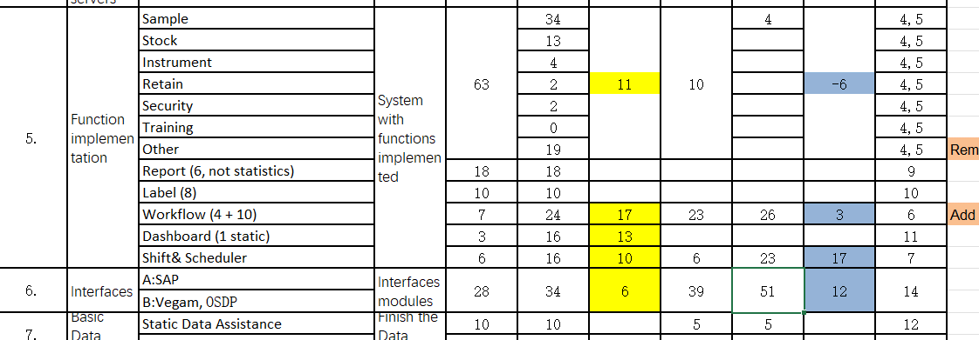
Configuration | 74 | 30 |  | 104
Assignment | 1 |  |  | 1
IM Integartion | 0 |  |  | 0
Instrument | 4 |  |  | 4
Interface
LES |  | 0 |  | 0
Report&Label | 0 |  |  | 0
Sample | 30 | 4 |  | 34
Security | 2 |  |  | 2
Stock | 13 |  |  | 13
Workflow | 24 | 26 |  | 50
Customisation | 51 | 23 |  | 74
Assignment | 16 | 23 |  | 39
Dashboard | 16 |  |  | 16
Interface
LES | 5 |  |  | 5
Notification | 2 |  |  | 2
Sample | 12 |  |  | 12
Interface | 34 | 51 |  | 85
IM Integartion
Interface | 34 | 42 |  | 76
(空白) |  | 9 |  | 9
Non-function | 0 |  |  | 0
IM Integartion | 0 |  |  | 0
Out Of Scope | 80 | 0 | 5 | 85
Dashboard | 45 |  | 5 | 50
Instrument | 2 |  |  | 2
Interface | 15 |  |  | 15
Report&Label | 2 |  |  | 2
Sample | 11 | 0 |  | 11
Stock | 5 |  |  | 5
(空白)
Standard | 6 | 0 | 0 | 6
IM Integartion |  | 0 |  | 0
Instrument | 0 |  |  | 0
LES |  | 0 |  | 0
Report&Label | 0 |  |  | 0
Retain | 2 |  |  | 2
Sample | 4 |  | 0 | 4
Security | 0 | 0 |  | 0
Stock | 0 |  |  | 0
(空白)
(空白)
Assignment
(空白)
总计 | 245 | 104 | 5 | 354

